Members Launch
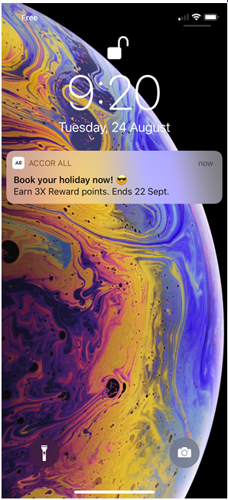
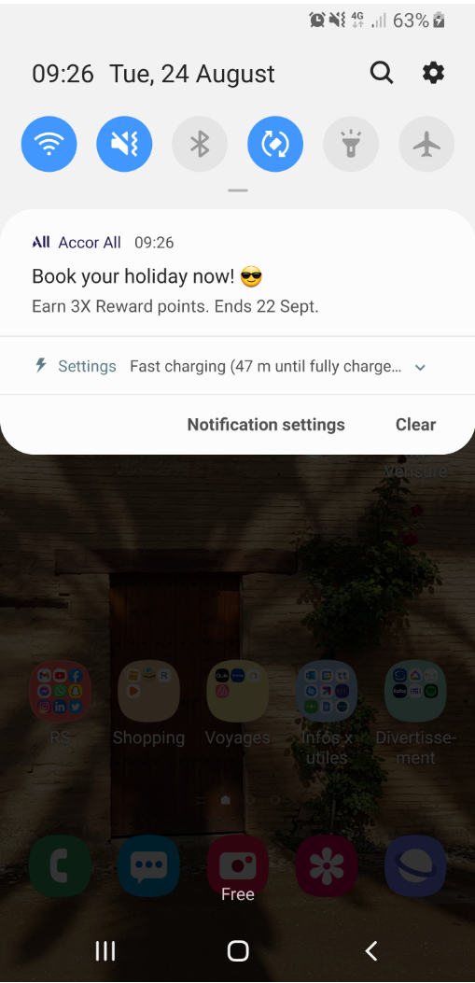
LANGUAGE | TITLE | NEW LIMIT: 26 car. |  | iOS | Android
GB (Mandatory) | WINTER SALE EARLY ACCESS ✨ | 26
FR |  | 0
DE |  | 0
IT |  | 0
ES |  | 0
NL |  | 0
PT |  | 0
PL |  | 0

TITLE
MESSAGE
LANGUAGE | MESSAGE | NEW LIMIT: between 50 car.& 150 car. (136 car. Would be best) (main information in the first words)
GB (Mandatory) | Exclusive to members of ALL, be the first to enjoy 25% off 2+ night stays this winter! | 86
FR |  | 0
DE |  | 0
IT |  | 0
ES |  | 0
NL |  | 0
PT |  | 0
PL |  | 0

LANGUAGE | WEB URL (for information) | DEEPLINK (Please select a type of link) | WISE OFFER ID (for example : 014030) | LABEL (contributed by Central team) | FINAL LINK WITH TRACKING (Central Team)
FR |  | accor://search/offer?offer_id= |  | Contributed by Central team | accor://search/offer?offer_id=&sourceid=ml-Contributed by Central team-b1b1
GB - GB-GB GEOLOC |  | accor://search/offer?offer_id= |  | Contributed by Central team | accor://search/offer?offer_id=&sourceid=ml-Contributed by Central team-b1b1
GB - DF-GB GEOLOC |  | accor://search/offer?offer_id= |  | Contributed by Central team | accor://search/offer?offer_id=&sourceid=ml-Contributed by Central team-b1b1
DE |  | accor://search/offer?offer_id= |  | Contributed by Central team | accor://search/offer?offer_id=&sourceid=ml-Contributed by Central team-b1b1
IT |  | Select link |  | Contributed by Central team | Final link - Contributed by Central team
ES |  | Select link |  | Contributed by Central team | Final link - Contributed by Central team
NL |  | accor://search/offer?offer_id= |  | Contributed by Central team | accor://search/offer?offer_id=&sourceid=ml-Contributed by Central team-b1b1
PT |  | Select link |  | Contributed by Central team | Final link - Contributed by Central team
PT-BR |  | Select link |  | Contributed by Central team | Final link - Contributed by Central team
ZH |  | Select link |  | Contributed by Central team | Final link - Contributed by Central team
JA |  | Select link |  | Contributed by Central team | Final link - Contributed by Central team
RU |  | accor://search/offer?offer_id= |  | Contributed by Central team | accor://search/offer?offer_id=&sourceid=ml-Contributed by Central team-b1b1
ID |  | Select link |  | Contributed by Central team | Final link - Contributed by Central team
KO |  | Select link |  | Contributed by Central team | Final link - Contributed by Central team
PL |  | accor://search/offer?offer_id= |  | Contributed by Central team | accor://search/offer?offer_id=&sourceid=ml-Contributed by Central team-b1b1
SV |  | Select link |  | Contributed by Central team | Final link - Contributed by Central team
AR | To complete | Select link |  | Contributed by Central team | Final link - Contributed by Central team
TH | To complete | Select link |  | Contributed by Central team | Final link - Contributed by Central team
TR | To complete | Select link |  | Contributed by Central team | Final link - Contributed by Central team
VI | To complete | Select link |  | Contributed by Central team | Final link - Contributed by Central team

General Relaunch
LANGUAGE | TITLE | NEW LIMIT: 26 car. |  | iOS | Android
GB (Mandatory) | BRRR… IT'S WINTER SALE ❄️ | 25
FR |  | 0
DE |  | 0
IT |  | 0
ES |  | 0
NL |  | 0
PT |  | 0
PL |  | 0

TITLE
MESSAGE
LANGUAGE | MESSAGE | NEW LIMIT: between 50 car.& 150 car. (136 car. Would be best) (main information in the first words)
GB (Mandatory) | Save 25% on 2+ nights stays, plus enjoy up to 10% off for ALL members on selected European getaways. Book by 16 November. | 121
FR |  | 0
DE |  | 0
IT |  | 0
ES |  | 0
NL |  | 0
PT |  | 0
PL |  | 0

LANGUAGE | WEB URL (for information) | DEEPLINK (Please select a type of link) | WISE OFFER ID (for example : 014030) | LABEL (contributed by Central team) | FINAL LINK WITH TRACKING (Central Team)
FR |  | accor://search/offer?offer_id= |  | Contributed by Central team | accor://search/offer?offer_id=&sourceid=ml-Contributed by Central team-b1b1
GB - GB-GB GEOLOC |  | accor://search/offer?offer_id= |  | Contributed by Central team | accor://search/offer?offer_id=&sourceid=ml-Contributed by Central team-b1b1
GB - DF-GB GEOLOC |  | accor://search/offer?offer_id= |  | Contributed by Central team | accor://search/offer?offer_id=&sourceid=ml-Contributed by Central team-b1b1
DE |  | accor://search/offer?offer_id= |  | Contributed by Central team | accor://search/offer?offer_id=&sourceid=ml-Contributed by Central team-b1b1
IT |  | Select link |  | Contributed by Central team | Final link - Contributed by Central team
ES |  | Select link |  | Contributed by Central team | Final link - Contributed by Central team
NL |  | accor://search/offer?offer_id= |  | Contributed by Central team | accor://search/offer?offer_id=&sourceid=ml-Contributed by Central team-b1b1
PT |  | Select link |  | Contributed by Central team | Final link - Contributed by Central team
PT-BR |  | Select link |  | Contributed by Central team | Final link - Contributed by Central team
ZH |  | Select link |  | Contributed by Central team | Final link - Contributed by Central team
JA |  | Select link |  | Contributed by Central team | Final link - Contributed by Central team
RU |  | accor://search/offer?offer_id= |  | Contributed by Central team | accor://search/offer?offer_id=&sourceid=ml-Contributed by Central team-b1b1
ID |  | Select link |  | Contributed by Central team | Final link - Contributed by Central team
KO |  | Select link |  | Contributed by Central team | Final link - Contributed by Central team
PL |  | accor://search/offer?offer_id= |  | Contributed by Central team | accor://search/offer?offer_id=&sourceid=ml-Contributed by Central team-b1b1
SV |  | Select link |  | Contributed by Central team | Final link - Contributed by Central team
AR | To complete | Select link |  | Contributed by Central team | Final link - Contributed by Central team
TH | To complete | Select link |  | Contributed by Central team | Final link - Contributed by Central team
TR | To complete | Select link |  | Contributed by Central team | Final link - Contributed by Central team
VI | To complete | Select link |  | Contributed by Central team | Final link - Contributed by Central team

Last Call
LANGUAGE | TITLE | NEW LIMIT: 26 car. |  | iOS | Android
GB (Mandatory) | 🚨WINTER SALE IS ENDING | 24
FR |  | 0
DE |  | 0
IT |  | 0
ES |  | 0
NL |  | 0
PT |  | 0
PL |  | 0

TITLE
MESSAGE
LANGUAGE | MESSAGE | NEW LIMIT: between 50 car.& 150 car. (136 car. Would be best) (main information in the first words)
GB (Mandatory) | Sound the alarm! Book by 16th November to save 25% on 2+ night stays this winter. Plus members can enjoy up to 10% off on selected European getaways. | 149
FR |  | 0
DE |  | 0
IT |  | 0
ES |  | 0
NL |  | 0
PT |  | 0
PT-BR |  | 0
ZH |  | 0
JA |  | 0
RU |  | 0
ID |  | 0
KO |  | 0
PL |  | 0 | Approved
SV |  | 0
AR |  | 0
TH |  | 0
TR |  | 0
VI |  | 0

LANGUAGE | WEB URL (for information) | DEEPLINK (Please select a type of link) | WISE OFFER ID (for example : 014030) | LABEL (contributed by Central team) | FINAL LINK WITH TRACKING (Central Team)
FR |  | accor://search/offer?offer_id= |  | Contributed by Central team | accor://search/offer?offer_id=&sourceid=ml-Contributed by Central team-b1b1
GB - GB-GB GEOLOC |  | accor://search/offer?offer_id= |  | Contributed by Central team | accor://search/offer?offer_id=&sourceid=ml-Contributed by Central team-b1b1
GB - DF-GB GEOLOC |  | accor://search/offer?offer_id= |  | Contributed by Central team | accor://search/offer?offer_id=&sourceid=ml-Contributed by Central team-b1b1
DE |  | accor://search/offer?offer_id= |  | Contributed by Central team | accor://search/offer?offer_id=&sourceid=ml-Contributed by Central team-b1b1
IT |  | Select link |  | Contributed by Central team | Final link - Contributed by Central team
ES |  | Select link |  | Contributed by Central team | Final link - Contributed by Central team
NL |  | accor://search/offer?offer_id= |  | Contributed by Central team | accor://search/offer?offer_id=&sourceid=ml-Contributed by Central team-b1b1
PT |  | Select link |  | Contributed by Central team | Final link - Contributed by Central team
PT-BR |  | Select link |  | Contributed by Central team | Final link - Contributed by Central team
ZH |  | Select link |  | Contributed by Central team | Final link - Contributed by Central team
JA |  | Select link |  | Contributed by Central team | Final link - Contributed by Central team
RU |  | accor://search/offer?offer_id= |  | Contributed by Central team | accor://search/offer?offer_id=&sourceid=ml-Contributed by Central team-b1b1
ID |  | Select link |  | Contributed by Central team | Final link - Contributed by Central team
KO |  | Select link |  | Contributed by Central team | Final link - Contributed by Central team
PL |  | accor://search/offer?offer_id= |  | Contributed by Central team | accor://search/offer?offer_id=&sourceid=ml-Contributed by Central team-b1b1
SV |  | Select link |  | Contributed by Central team | Final link - Contributed by Central team
AR | To complete | Select link |  | Contributed by Central team | Final link - Contributed by Central team
TH | To complete | Select link |  | Contributed by Central team | Final link - Contributed by Central team
TR | To complete | Select link |  | Contributed by Central team | Final link - Contributed by Central team
VI | To complete | Select link |  | Contributed by Central team | Final link - Contributed by Central team

